RATA
CiSCO 2025 User Group Presentation
 |  |  |  |  | Paul Little
 |  |  |  |  | Air Hygiene
Stack Testing Fundamentals 2 |  |  |  |  | 918-289-6378
 |  |  |  |  | plittle@airhygiene.com
Summary: Let’s use combined measured concentrations and stack flow rates to calculate various emission rates, split up into two small groups, and run a Relative Accuracy Test Audit (RATA) against each other’s measurements. Stack Testing Fundamentals 2 will focus on the intricacies of “like-kind” measurement, how to prepare for dissimilar results, and the math behind the RATA. I hope your team “wins” and that fortune is ever in your favor. |  |  |  | 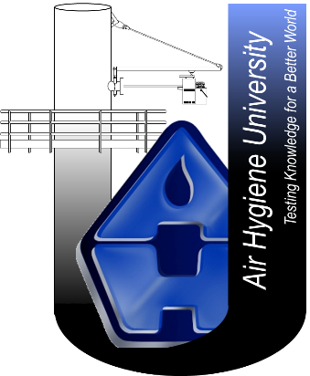

https://www.epa.gov/emc |  |  | great reference to bookmark | 1. | Where are the
 |  |  |  |  | resources
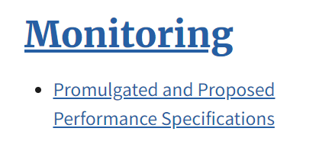

12.0 Calculations and Data Analysis |  |  |  | 2. | What is the
 | 12.5 Relative Accuracy. Calculate the RA, expressed as a percentage, of a set of data as follows: |  |  |  | equation

 |  |  |  | 3. | How to define
RA = relative accuracy, % |  |  |  |  | the variables
| ƌ | = Absolute value of the mean differences (from equation 2–3 of this method).
|CC| = Absolute value of the confidence coefficient (from equation 2–3 of this method).
RM = Average RM value. In cases where the average emissions for the test are less than 50 percent of the applicable emission standard, substitute the applicable emission standard value in the denominator of equation 2–6 of this method in place of the average RM value. In all other cases, use RM.

12.4 Confidence Coefficient. Calculate the 2.5 percent error confidence coefficient (one-tailed), CC, as follows: |  |  |  | 4. | What is the
 |  |  |  |  | confidence
 |  |  |  |  | coefficient
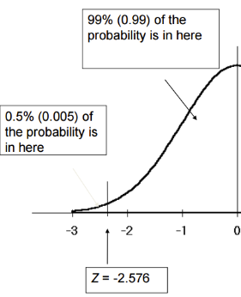

 | n = Number of data points (e.g. number of test runs)
 | t0.975 = t-value (see Table 2-1).
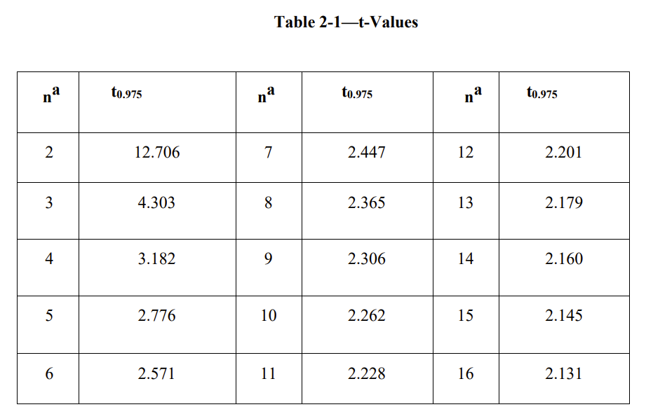

12.3 Standard Deviation. Calculate the standard deviation, Sd, as follows: |  |  |  | 5. | Standard
 |  |  |  |  | deviation
 |  |  |  |  | (get the
 |  |  |  |  | computer out)

2
 |  | = average difference as sum of difference divided by number of runs

 |  | = sum of the difference squared
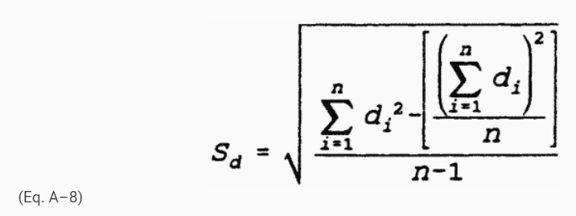

 |  |  |  | 6. | Let's run a
 |  |  |  |  | RATA

Calculator
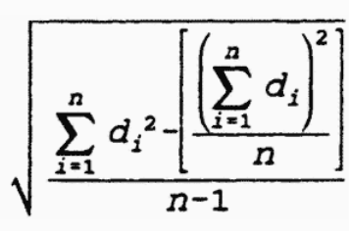
Real |  |  |  |  |  | RM-CEM
Count | n | RM | ΣRM |  | CEM | d | Σd | ƌ | d² | Σ(d²) | Σ(d)²/n |  | t0.975 |  | CC | RA
 | 1
 |  |  | | | | |  | | | | | | | | | | | |
 | 2
 |  |  | | | | |  | | | | | | | | | | | | | | | | | | | | | | | d | + | CC | x100 = |  | + | x100 = | %
 | 3 |  |  |  |  |  |  |  |  |  |  |  |  |  |  |  | RM
 |  |  | | | | |  | | | | | | | | | | | | | | | | | | | | | |
 | 4 |  |  |  |  |  |  |  |  |  |  |  |  |  |  |  |  | vs.
 |  |  | | | | |  | | | | | | | | | | | | | | | | | | | | | |
 | 5 |  |  |  |  |  |  |  |  |  |  |  |  |  |  |  | d | + | CC | x100 = |  | + | x100 = | %
 |  |  | | | | |  | | | | | | | | | | | | | | | | | | | | | | | AS |  |  |  | ???
 | 6
 |  |  | 1 | 1 |  | 1 | 1 | 1 | 1 | 1 | 1 | 1 | 1 | 1 | 1 | 1
 | 7
 |  |  | 1 | 1 |  | 1 | 1 | 1 | 1 | 1 | 1 | 1 | 1 | 1 | 1 | 1
 | 8
 |  |  | 1 | 1 |  | 1 | 1 | 1 | 1 | 1 | 1 | 1 | 1 | 1 | 1 | 1
 | 9
 |  |  | 1 | 1 |  | 1 | 1 | 1 | 1 | 1 | 1 | 1 | 1 | 1 | 1 | 1

